Data Entry
Massivit 1800 ROI data entry

Basic information
Machine Price | 350,000
Installation cost | 20,000 |  | ventilation, air pressure, IT
Monthly fixed cost | 7,500 |  | 12x7,500=90,000 Pre-press, paint, admin, rent etc.
Material cost | 100 | per kg
Variable cost | 35 | per hour | Operator, electricity, etc.
Finishing cost | 35 | per hour | Labour & materials
Monthly maintenance | 1,000


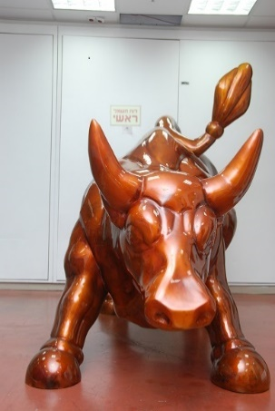
Jobs

 | Product enlarged (Coke like) |  | Complex figure (human, animal) |  | Simple figure (Mentos like) |  | Very large & complex (bull like) |  | Monthly Totals
Projects per month | 5 |  | 2 |  | 3 |  | 1 |  | 11 | Jobs
Time to print | 4.5 | hours | 12 | hours | 3 | hours | 24 | hours | 100 | hours
Material consumption | 4 | kg | 15 | kg | 4 | kg | 43 | kg | 134 | Kg
Efficiency | 90% |  | 75% |  | 85% |  | 75%
Finishing time | 3 | hours | 10 | hours | 2 | hours | 15 | hours | 56 | Hours
Job selling price | 3,500 |  | 10,000 |  | 2,500 |  | 25,000

